2.0 Lite logic model
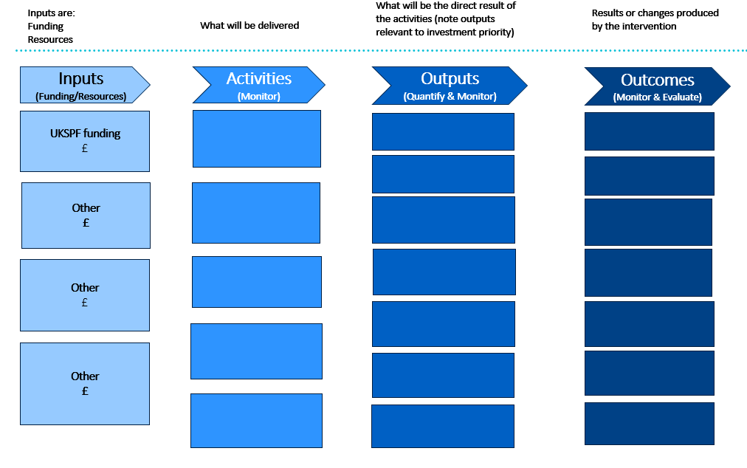

** | Use the Powerpoint template noting guidance then cut and paste into here
** | Please ensure these are appropriate to the intervention and quantified where appropriate
 | Outputs - products or solutions created by the project eg new service to support 50 businesses

 | Outcomes - the outputs result in outcomes eg more sustainable SMEs

 | For further guidance see What Works Centre www.whatworksgrowth.org

